Sheet1
Color Name | Hex Code | Usage
Dark Blue | #0a0a23 | Background color for body, text area, and border color for controls/stats
White | #ffffff | Text color for text area, game container, and monster stats; background for game container
Red | #c70d0d | Background color for monster stats area
Orange | #feac32 | Background color for buttons and button border
Light Yellow | #fecc4c | Start color for button gradient background
Gradient Orange | #ffac33 | End color for button gradient background
 |  |  |  | .stat {

 |  |  |  | button {
 |  |  |  | #monsterStats {
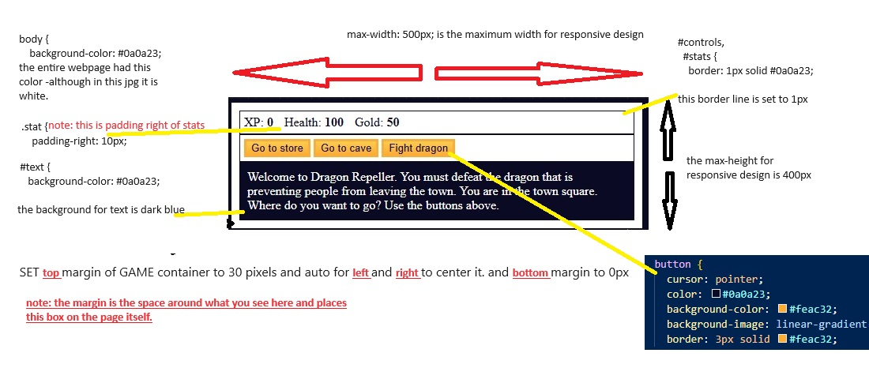
 |  |  |  | #text {

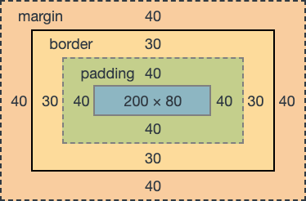
 |  |  | elements:
 |  |  | body {
 |  |  | #text {
 |  |  | #game {
 |  |  | #controls,
 |  |  | #stats {
 |  |  | #monsterStats {
 |  |  | .stat {
 |  |  | button {

